Test of SI
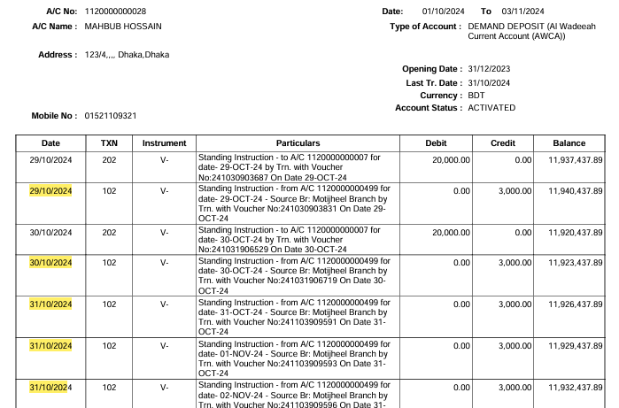
Test Case Developed By: | Jannat

 | Sub | Contra
Branch | 2 |  | Contra branch | Acc. Combination | Status
 | 1120000000028 | 1350000000102 | 1 | ssp | Pass
 |  | 1120000000095 | 3 | casa | Pass
 |  | 1120000000005 | 13 | csas | Pass
 |  | 1310000000254 | 5 | ssp | Pass
 |  | 1120000000007 | 12 | casa | Pass
 |  | 1120000000573 | 112 | casa | Pass
 |  | 1120000000499 | 5 | casa | Pass
 |  | 1350000000104 | 3 | ssp | Pass

SL No. | Demand Deposit Account | SSP Account
1 | 1120000000028 | 1350000000102

Application Conf:
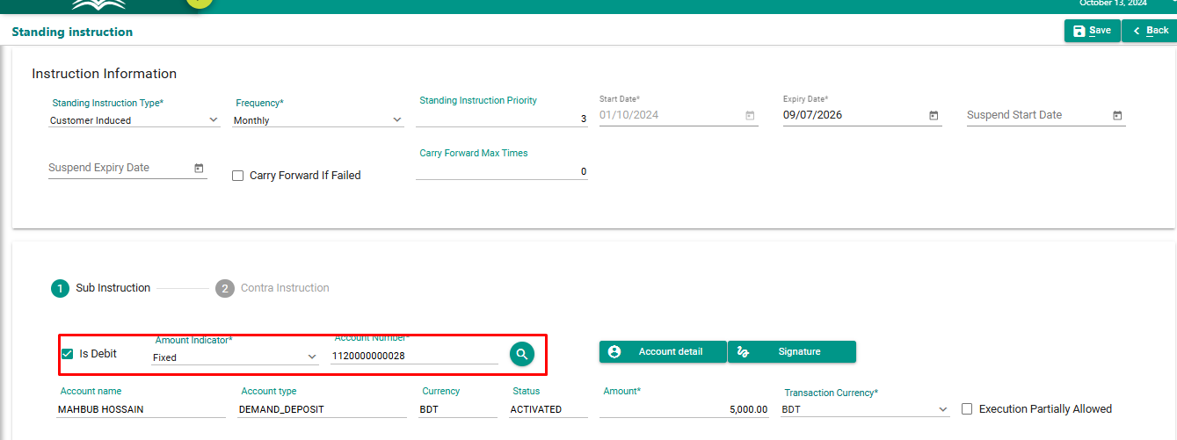

From Application Account Statement
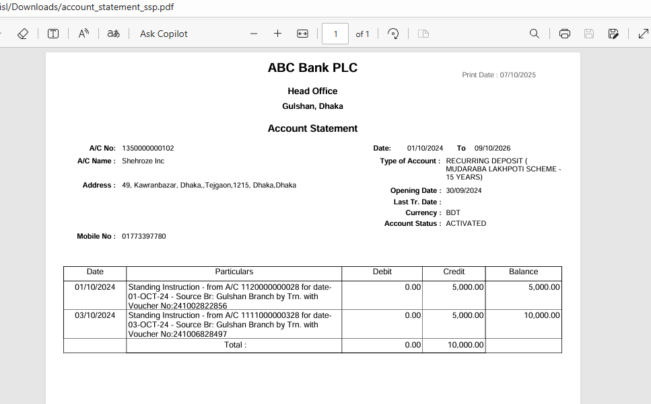

Database check:

Check for Vocher: 241002822856

Check for Vocher:241006828497

SL No. | Demand Deposit Account | DD Account
2 | 1120000000028 | 1120000000095

Application Conf:
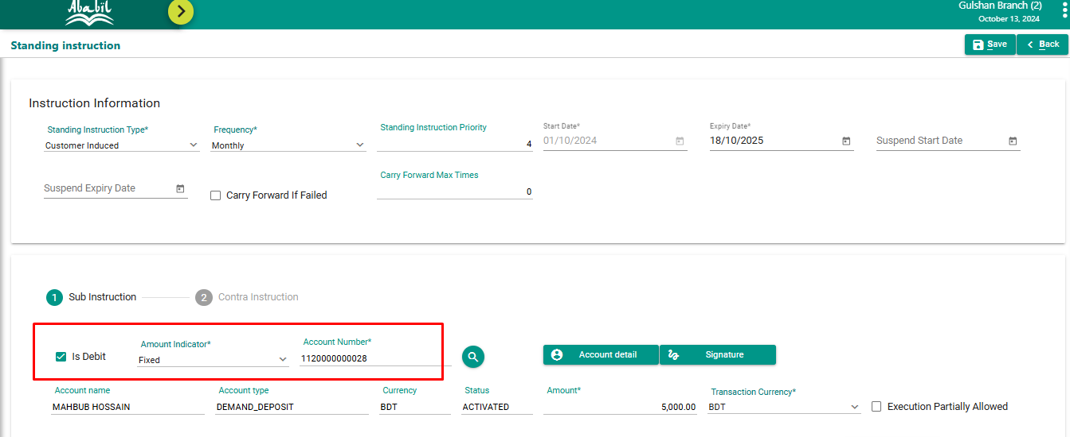

From Application Account Statement
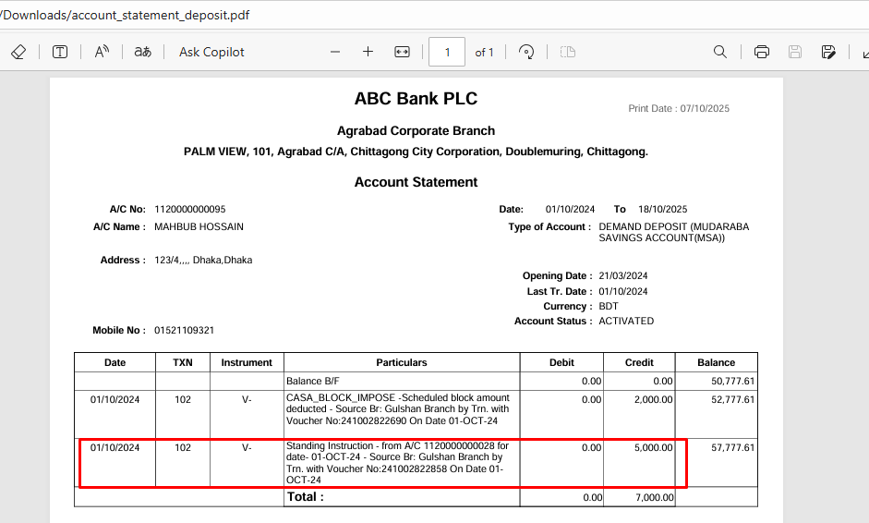

Database check:

Check for Vocher: 241002822858

SL No. | Demand Deposit Account | DD Account
3 | 1120000000028 | 1120000000005

Application Conf:
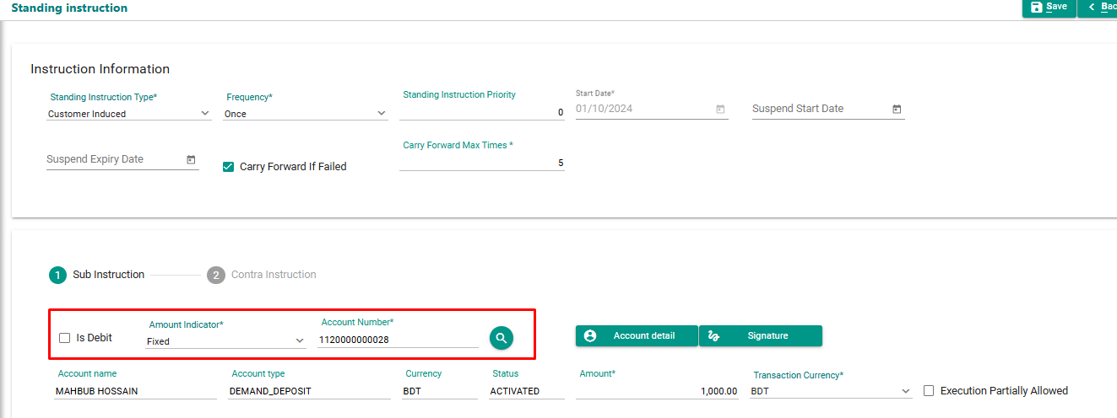

From Application Account Statement

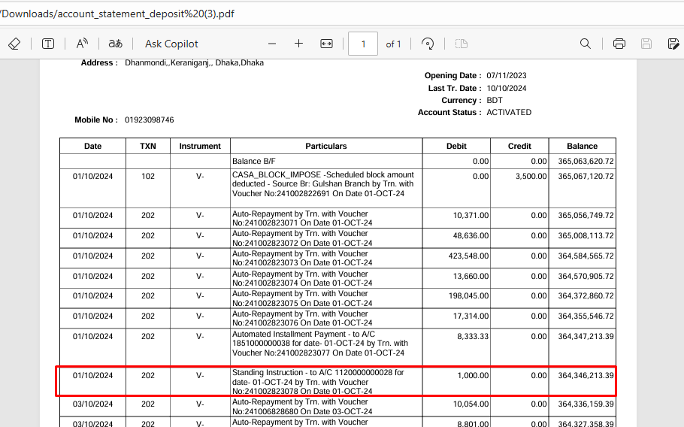

Database check:

Check for Vocher: 241002823078

SL No. | Demand Deposit Account | SSP Account
4 | 1120000000028 | 1310000000254

Application Conf:
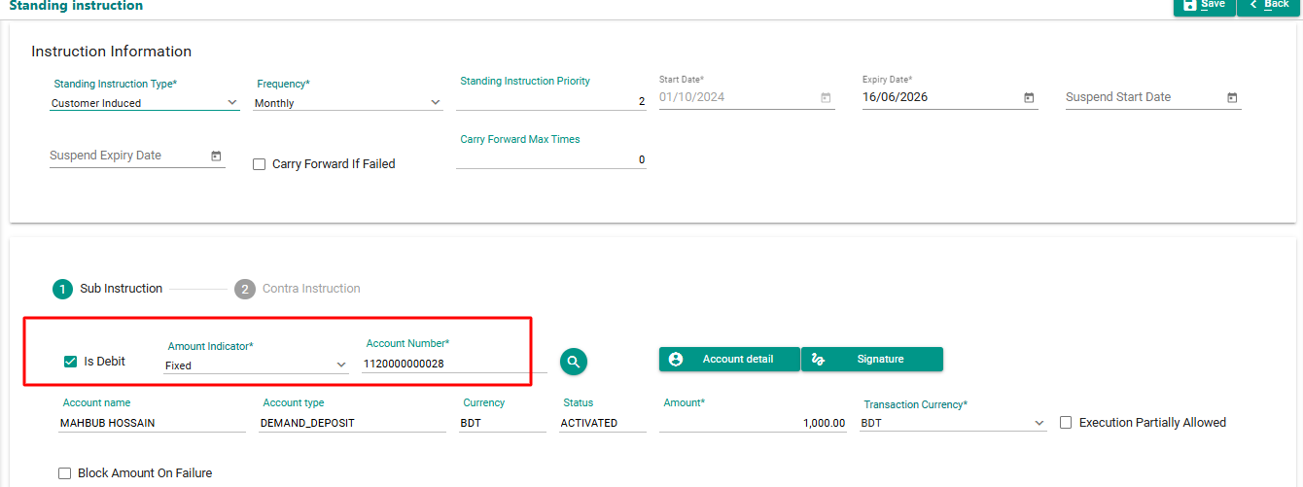

From Application Account Statement

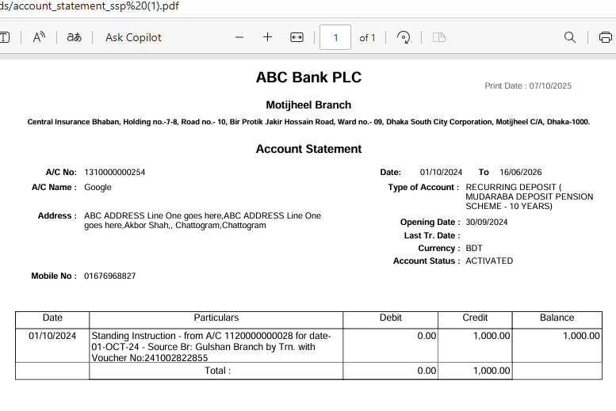

Database check:

Check for Vocher: 241002822855

SL No. | Demand Deposit Account | DD Account
5 | 1120000000028 | 1120000000007

Application Conf:
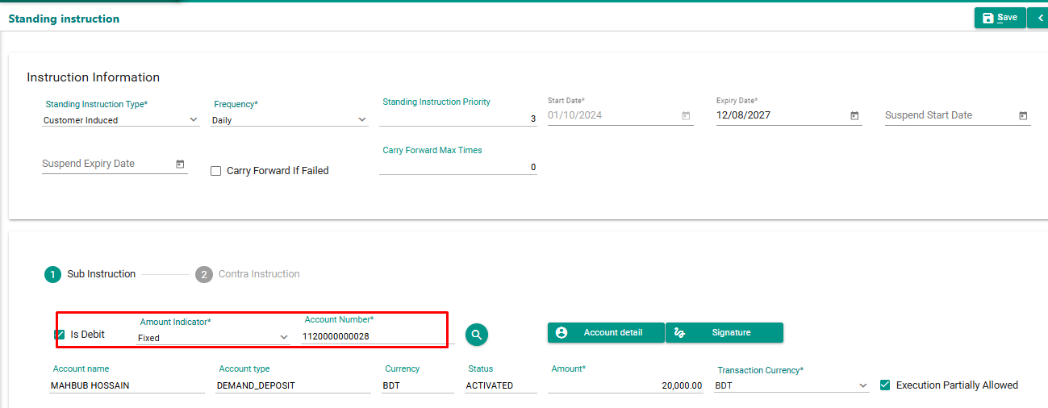

From Application Account Statement

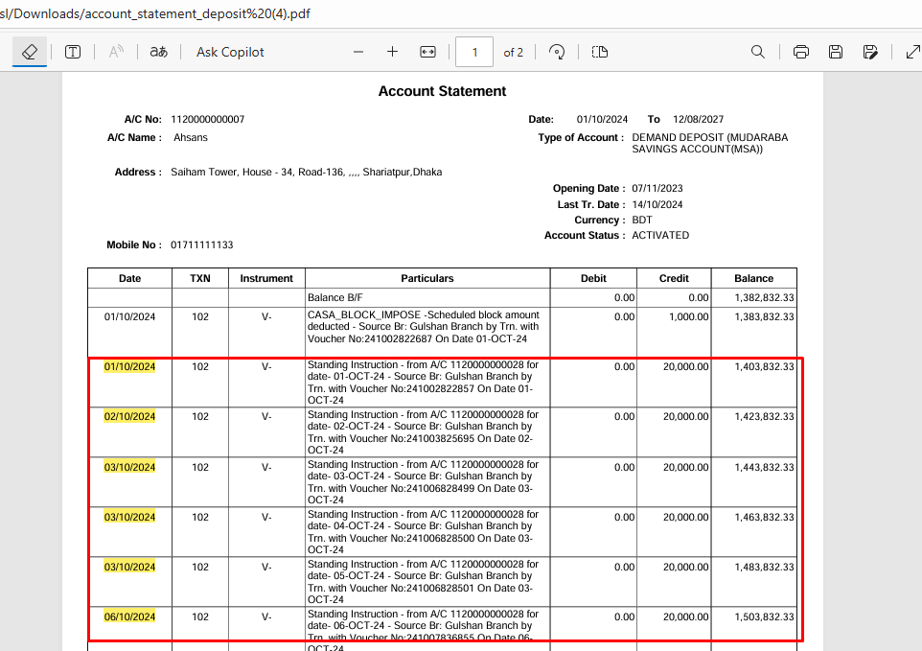

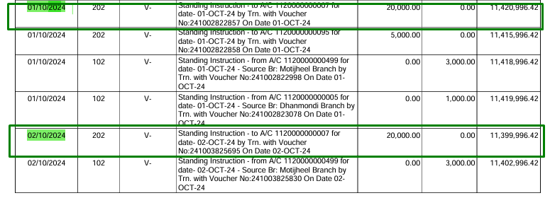

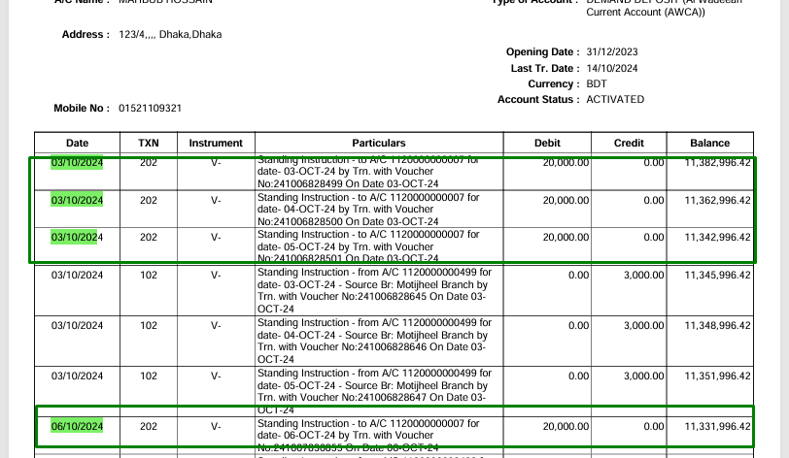

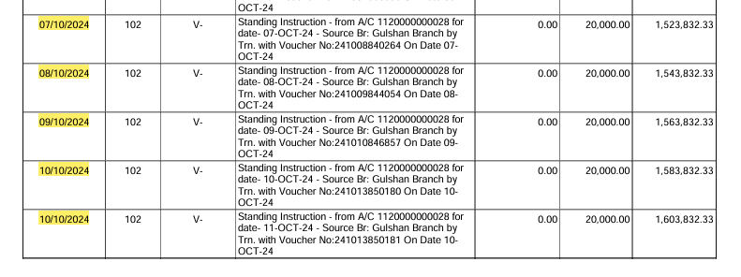

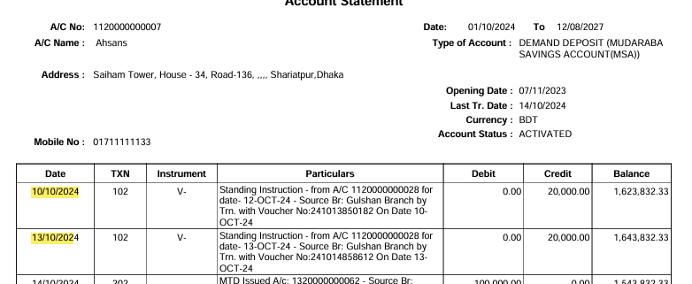

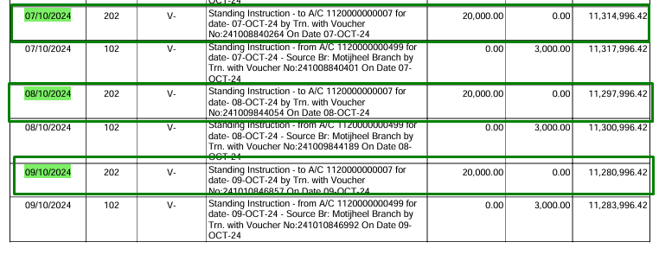

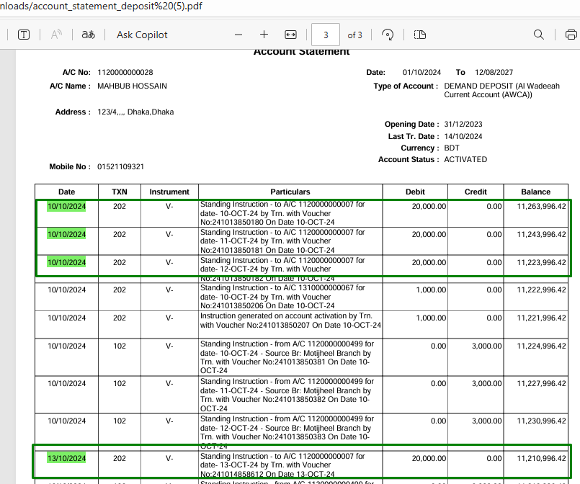

Database check:

SL No. | Demand Deposit Account | DD Account
6 | 1120000000028 | 1120000000573

Application Conf:

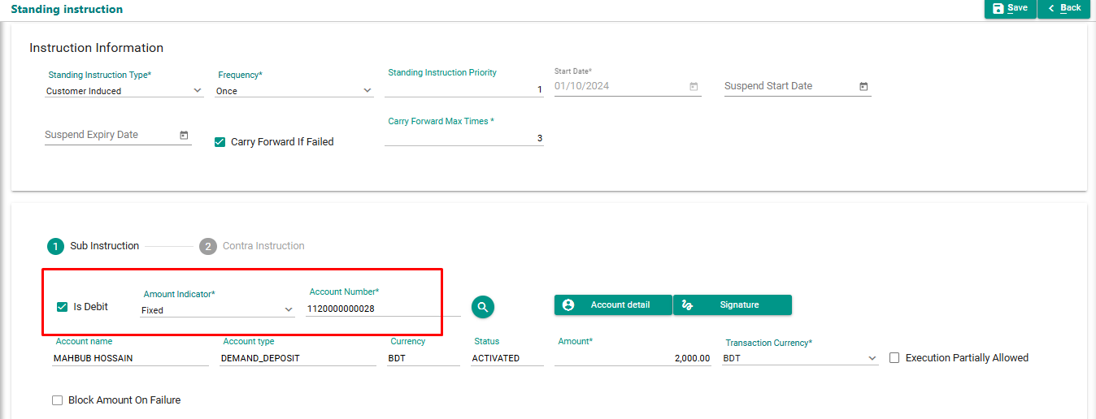

From Application Account Statement

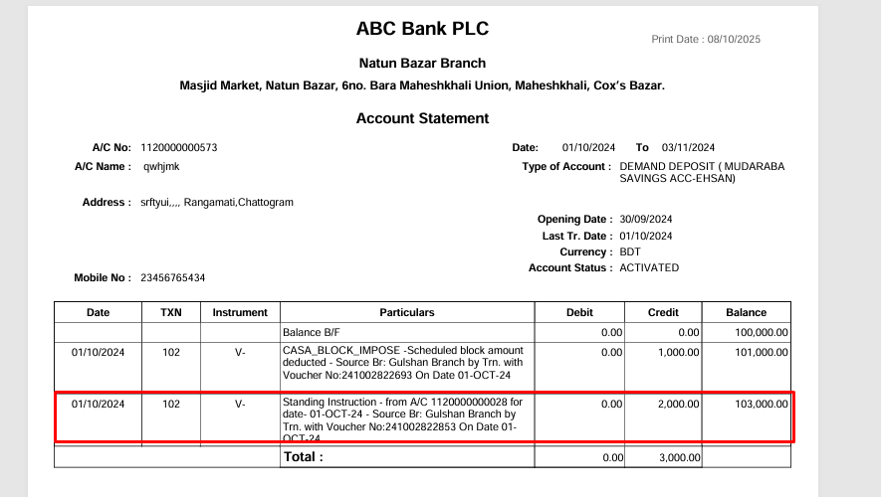

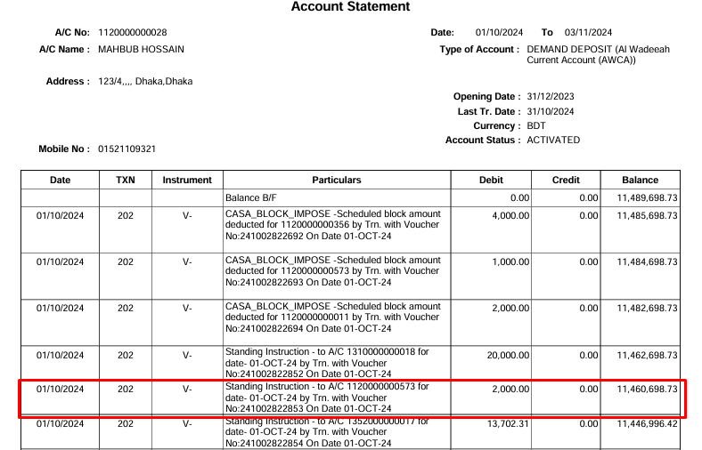

Database check:

SL No. | Demand Deposit Account | DD Account
7 | 1120000000028 | 1120000000499

Application Conf:
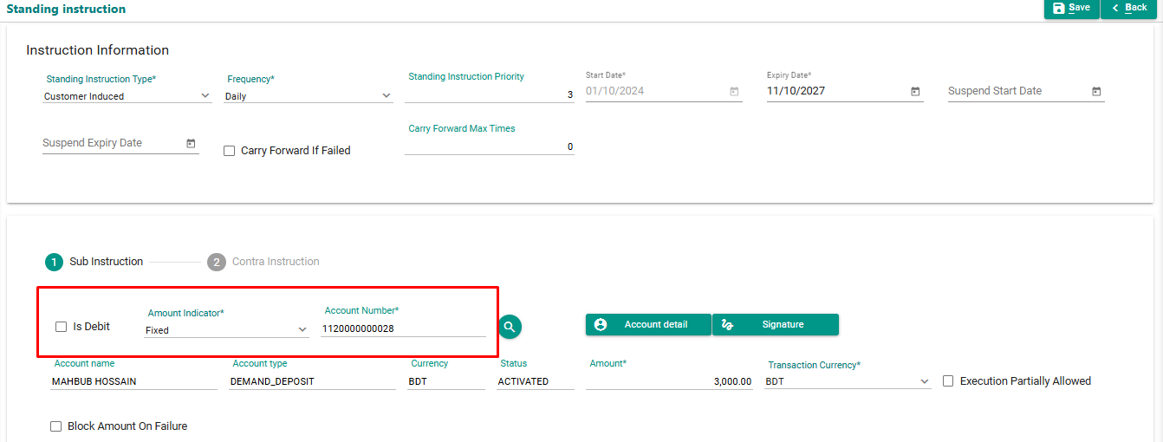

From Application Account Statement

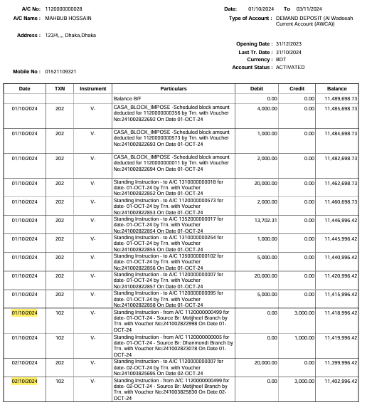

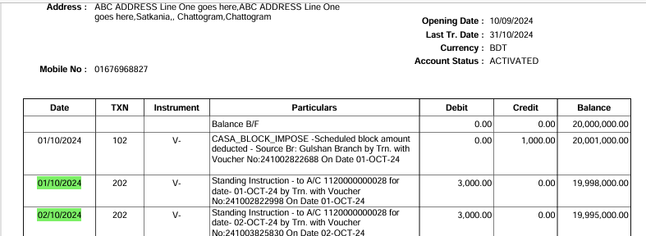

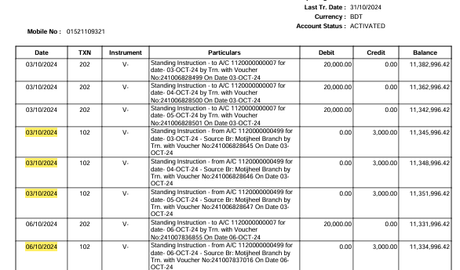

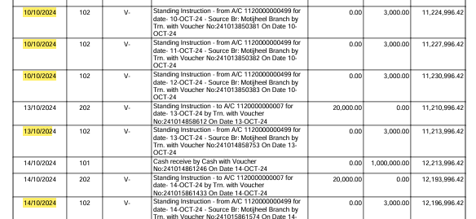

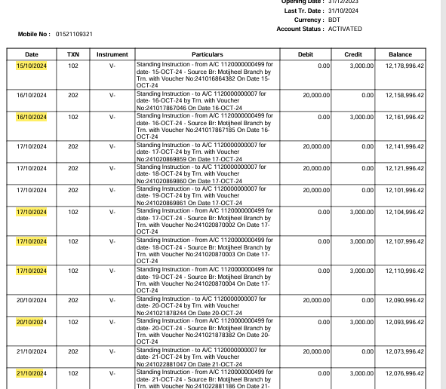

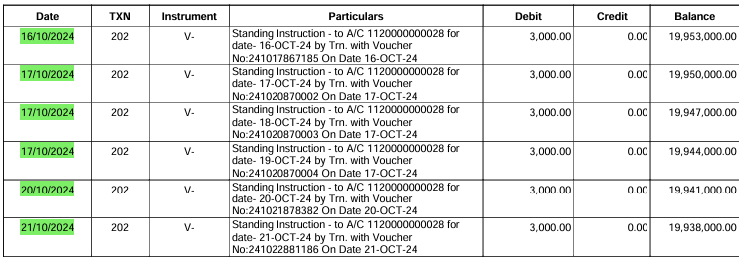

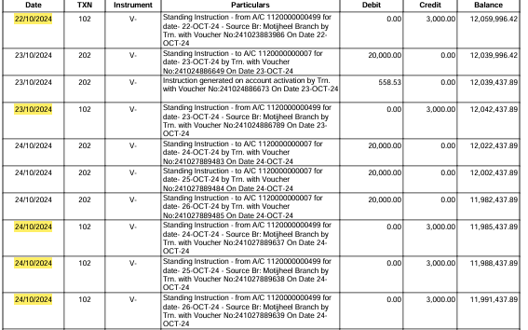

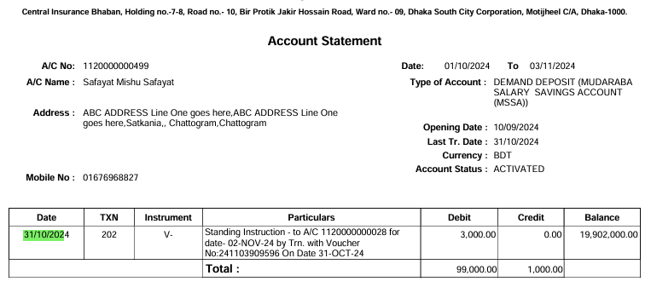

Database check:

SL No. | Demand Deposit Account | SSP Account
8 | 1120000000028 | 1350000000104

Application Conf:

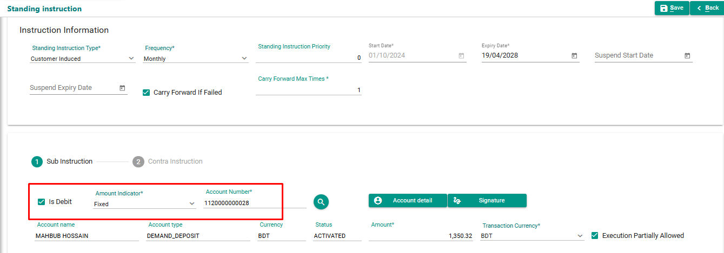

From Application Account Statement

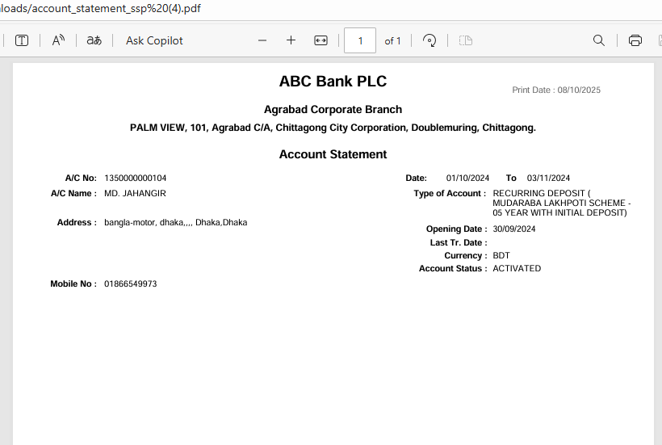

 | The account has no transactions; therefore, the account statement is empty.

New test data of SI
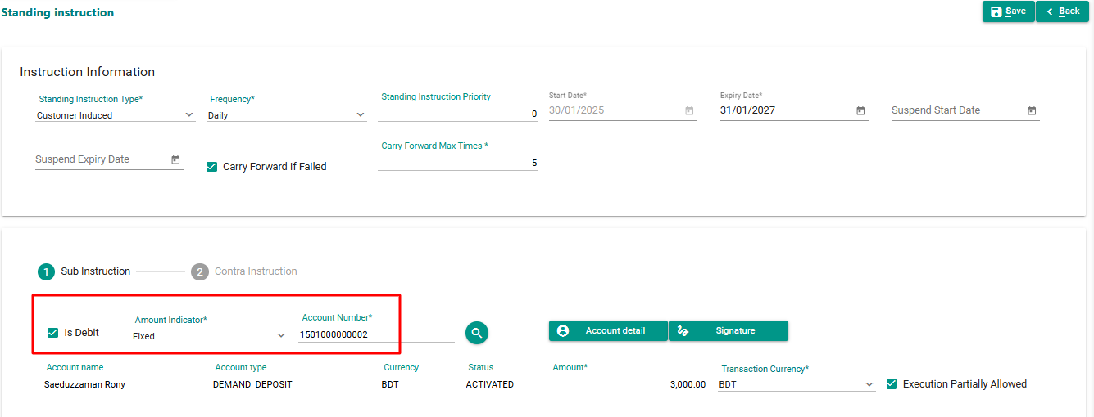
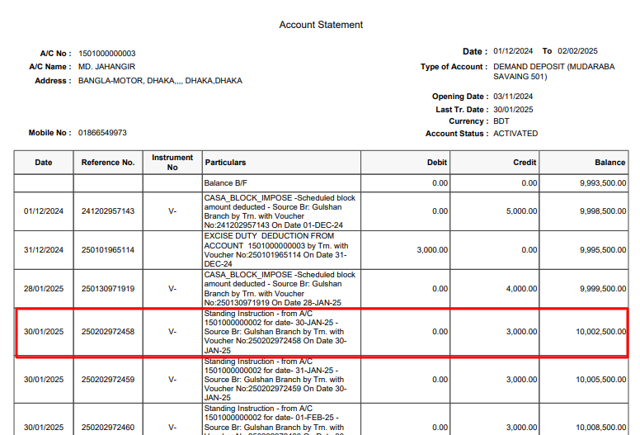
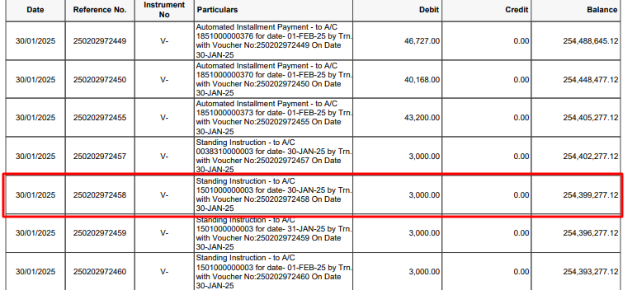
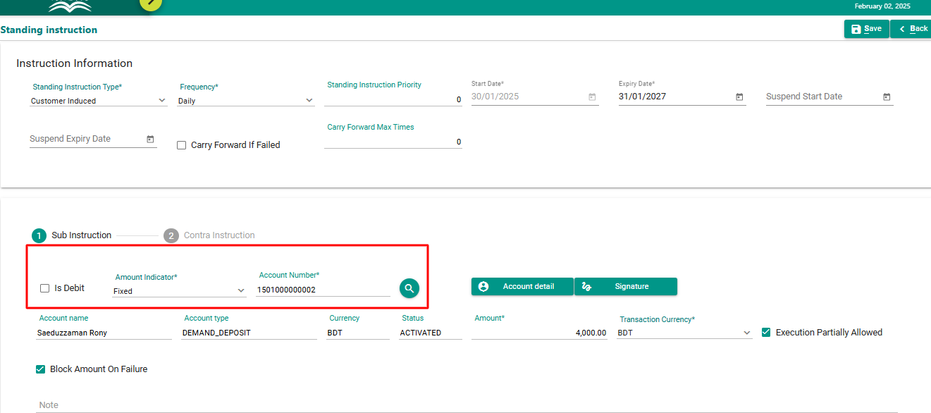
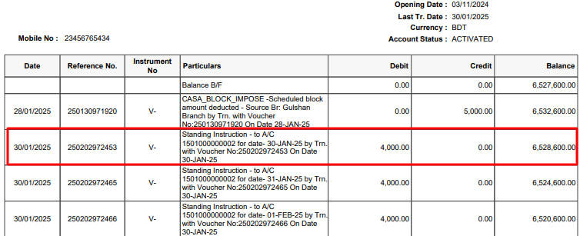
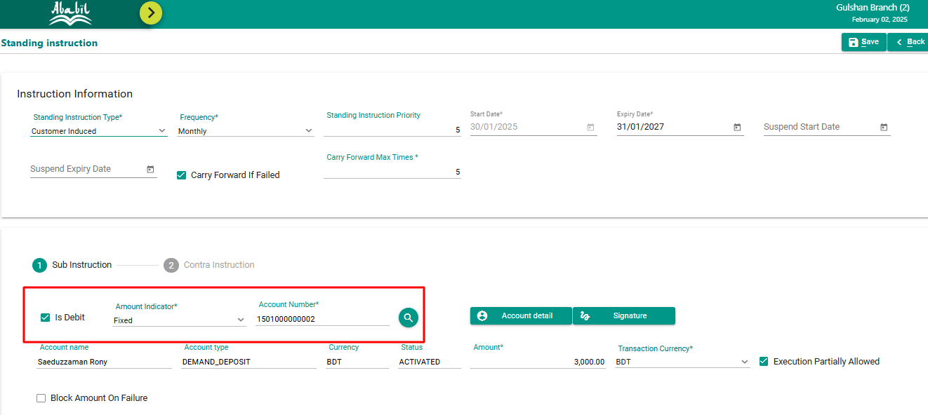
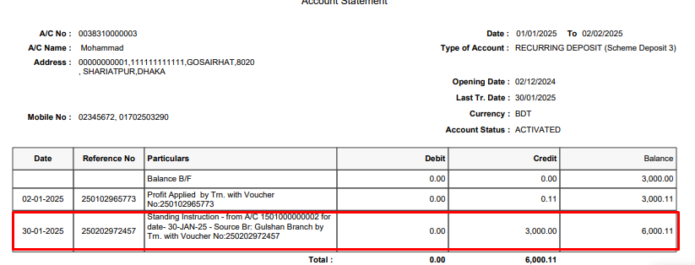
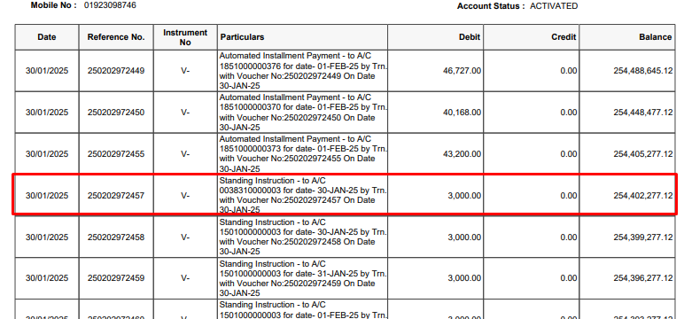
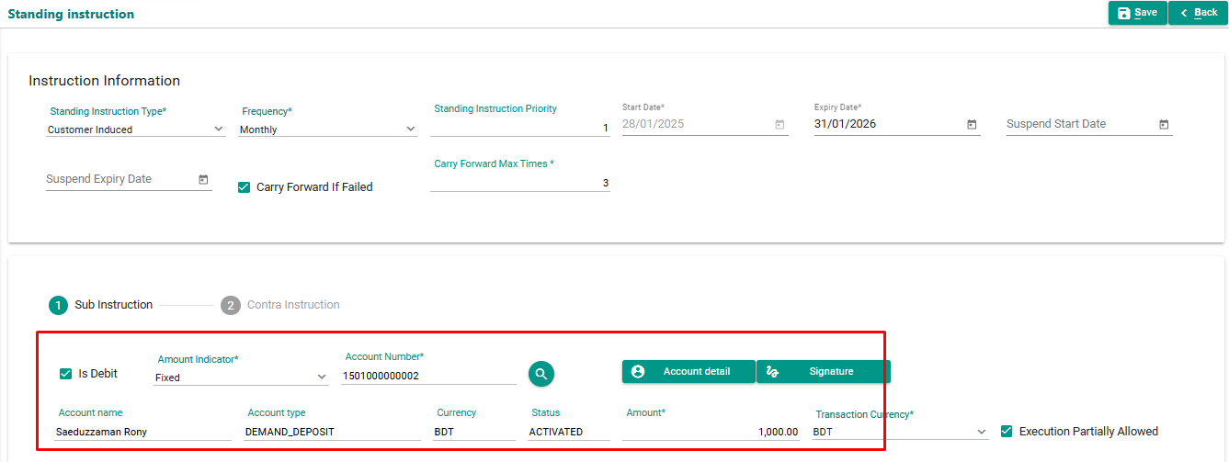
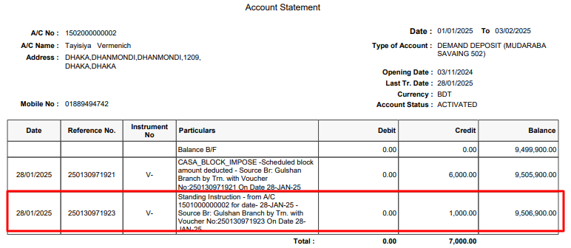
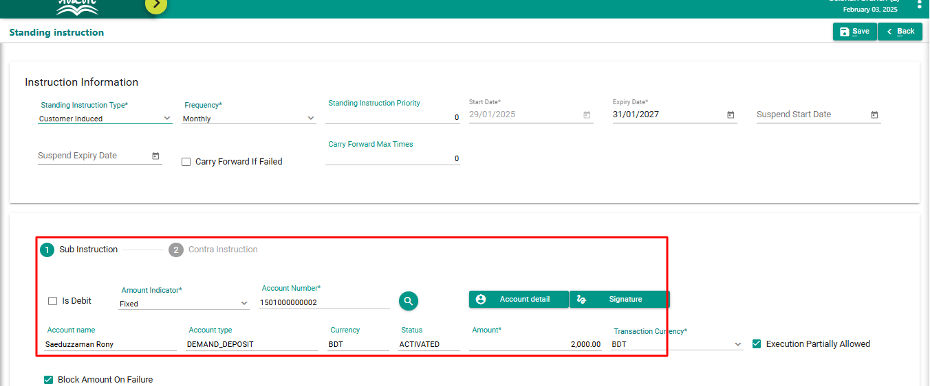
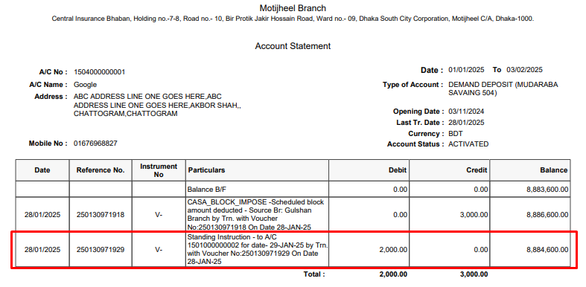
Sub | Contra

1501000000002 | 1502000000002 | CASA TO CASA
 | 1504000000001 | CASA TO CASA
 | 1501000000003 | CASA TO CASA
 | 1507000000001 | CASA TO CASA
 | 38310000003 | CASA TO SSP

Test of Block Register
Test Case Developed By: | Jannat |  |  |  |  |  | Branch Id | Banking Type
 |  |  |  |  |  |  | 108 | DBU
 |  |  |  |  |  |  | 112 | DBU
 |  |  |  |  |  |  | 1 | DBU
 | 2 |  | Branch | Before release Block Amount | After release Block Amount | Status | 2 | DBU
 | 1502000000001 | 35050000002 | 3 | 0 | 1000 | Pass | 3 | DBU
 |  | 1504000000001 | 5 | 0 | 3500 | Pass | 5 | DBU
 |  | 1501000000003 | 12 | 0 | 5000 | Pass | 900 | OBU
 |  | 1507000000001 | 112 | 0 | 2700 | Pass | 12 | DBU
 |  | 1502000000002 | 1 | 0 | 5000 | Pass | 13 | DBU
 |  |  |  |  |  |  | 17 | DBU
 |  |  |  |  |  |  | 234 | OBU
 |  |  |  |  |  |  | 9 | DBU
Details of Block Register |  |  |  |  |  |  | 472 | OBU
 |  |  |  |  |  |  | 9090 | DBU
 |  |  |  |  |  |  | 456 | OBU
 |  |  |  |  |  |  | 235 | DBU

SL No. | Demand Deposit Account(debit) | Demand Deposit Account(credit)
1 | 1502000000001 | 35050000002

Block Register Mapping:

From Application Account Statement :

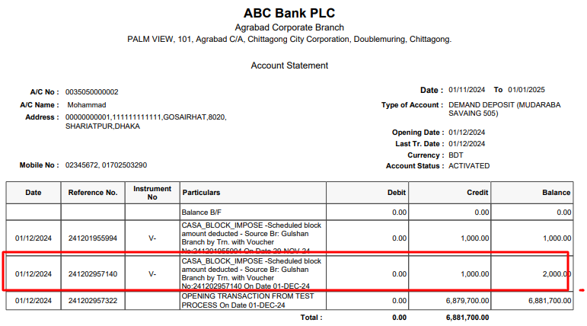

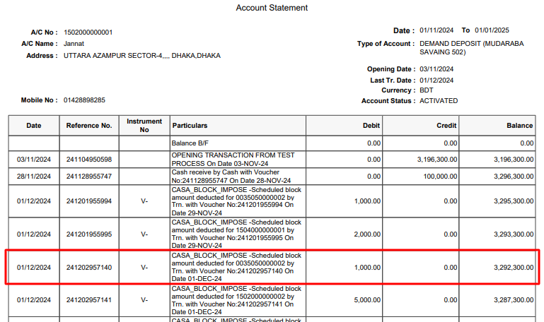

Database check:

SL No. | Demand Deposit Account(debit) | Demand Deposit Account(credit)
2 | 1502000000001 | 1504000000001

Block Register Mapping:

From Application Account Statement:
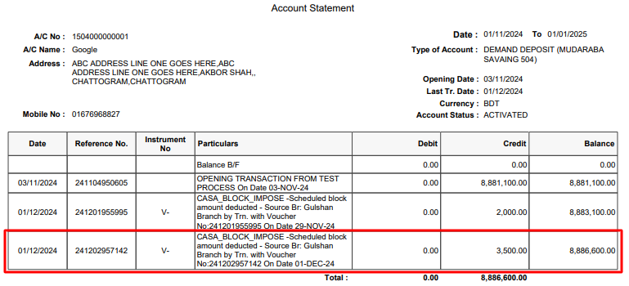

Database check:

SL No. | Demand Deposit Account(debit) | Demand Deposit Account(credit)
3 | 1502000000001 | 1501000000003

Block Register Mapping:

From Application Account Statement:

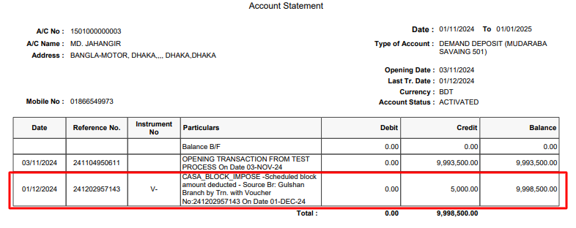

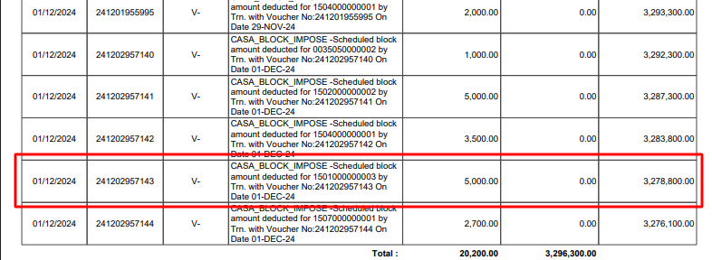

Database check:

SL No. | Demand Deposit Account(debit) | Demand Deposit Account(credit)
4 | 1502000000001 | 1507000000001

Block Register Mapping:

From Application Account Statement

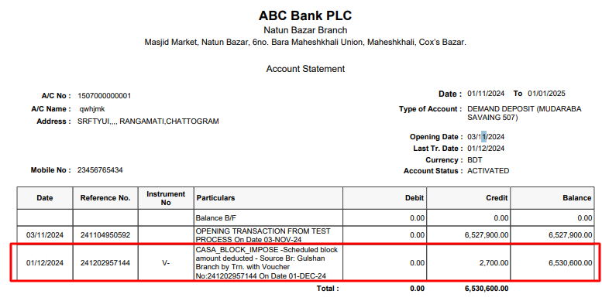

Database check:

SL No. | Demand Deposit Account(debit) | Demand Deposit Account(credit)
5 | 1502000000001 | 1502000000002

Block Register Mapping:

From Application Account Statement:

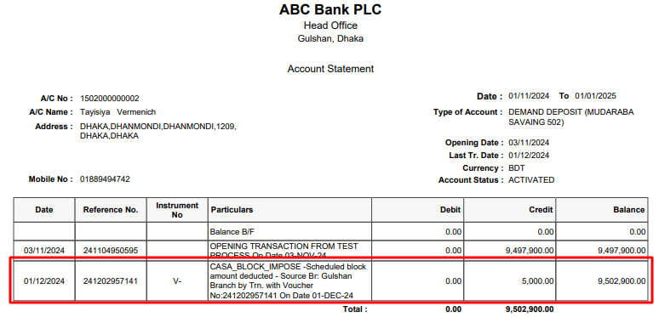

Database check:

